Disponibilidad
ESPAÑOL |  |  |  | (ENGLISH BELOW)

PRE SALE - 1st Stage |  |  |  |  |  |  | FECHA DE ENTREGA |  |  | Última Revisión: | 20/05/2026

Unidad |  | Áreas |  | Precios |  |  | Fase 1: | Fase 2: | Fase 3:
No. | Estatus | Solar Aprox. | Habs |  | Tipologia | M2 Villa Aprox. |  | Planes de pago de 12 meses | Planes de pago de 18 meses
0 | Separado | 760 | 3 |  | B | 260 | Entrega: Noviembre 2025 | Entrega: Julio 2026 | Entrega: Julio 2027
1 | Separado | 615 | 3 |  | B | 260
2 | Separado | 615 | 3 |  | B | 260 | PLAN DE PAGO STANDARD 25 % A LA FIRMA
3 | Separado | 605 | 3 |  | B | 260 | TOTAL | 100% | $430,000.00
4 | Separado | 607 | 3 |  | B | 260 | SEPARA |  | $5,000.00 | El pago de la reserva no es rembolsable y vigencia de 30 días hasta firma y pago inicial.
5 | Separado | 615 | 3 |  | B | 260 | FIRMA DE CONTRATO | 25% | $102,500.00 | Transcurrido ese período el comprador perderá el pleno derecho sobre la unidad reservada.
6 | Separado | 615 | 3 |  | B | 260 | DURANTE LA OBRA | 40% | $172,000.00
7 | Separado | 615 | 3 |  | A | 258 | ENTREGA | 35% | $150,500.00 |  |  | R.O.I. ALDEA MACAO
8 | Separado | 615 | 3 |  | B | 260
9 | Separado | 615 | 3 |  | B | 260 | Extras: |  |  |  |  | R.O.I Proyectado | Villa
10 | Separado | 610 | 3 |  | B | 260 | Piscina |  | a determinar |  |  | Precio Venta | $430,000.00
11 | Separado | 450 | 3 |  | C | 260 | Placas Solares |  | a determinar
12 | Separado | 443 | 2 |  | C | 222 | Almacén/Area lavado |  | a determinar
 |  |  |  |  |  |  | Habitación de Servicio con baño |  | a determinar |  |  | Promedio por noche | $300.00
 |  |  |  |  |  |  | Amueblamiento y equipamiento (lista para rentar) |  | a determinar
 |  |  |  |  |  |  | Jardineria decorativa |  | a determinar
 |  |  |  |  |  |  | Automatizacion (sonido ambiental y camaras de seguridad) |  | a determinar |  |  | Ratio Ocupación | 65%
Pre sale Plan - 2nd Stage |  |  |  |  |  |  |  |  |  |  |  | Ingreso Bruto Anual | $71,175.00
 |  |  |  |  |  |  | DESCUENTOS por PAGO MAYOR A LA FIRMA |  |  |  |  | Fee Anual por programa de renta 25% | -$17,793.75
Unidad |  | Áreas |  | Precios |  |  |  |  |  |  |  | Aprox. Costos Alojamiento | -$3,650.00
No. | Estatus | Solar Aprox. | Habs |  | Tipologia | M2 Villa Aprox. | Dto. de 1% del precio total, con pago del 50% a la firma |  |  |  |  | Manto Anual Condominio | -$4,650.00 | -387.5
14 | Separado | 530 | 3 |  | F | 254 |  |  |  |  |  | Agua, Gas, Wifi-Tv Cable | -$1,200.00 | -100
15 | Separado | 500 | 3 |  | E | 265 | PLAN DE PAGO CON 50% A LA FIRMA |  |  |  |  | Aprox. Costos Electricidad annual | -$1,800.00 | *60% menos con placas solares
16 | Separado | 500 | 3 |  | E | 265 | 100% | $425,700.00 |  |  |  | Mantenimiento de piscina | -$1,200.00 | -100
17 | Separado | 534 | 3 |  | F | 254 |  | $5,000.00 |  |  |  | Aprox. Ingreso Renta Anual | $40,881.25
18 | Separado | 346 | 2 |  | L | 227 | 50% | $207,850.00 |  |  |  | Aprox. Ingreso Renta Mensual | $3,406.77
19 | Disponible | 348 | 2 | $430,000.00 | L | 227 | 30% | $127,710.00 |  |  |  | R.O.I Neto | 10%
20 | Separado | 500 | 3 |  | K | 253 | 20% | $85,140.00
21 | Separado | 500 | 3 |  | K | 276
22 | Separado | 460 | 3 |  | G | 252
23 | Separado | 465 | 3 |  | H | 252
 |  |  |  |  |  |  |  |  |  |  |  | CONFOTUR
 |  |  |  |  |  |  |  |  |  |  |  | En proceso de solicitud
Pre sale Plan - 3er Stage

Unidad |  | Áreas |  | Precios
No. | Estatus | Solar Aprox. | Habs |  | Tipologia | M2 Villa Aprox.
24 | Reservado | 584 | 3 |  | F | 301
25 | Disponible | 497 | 3 | $475,000.00 | E | 276
26 | Reservado | 514 | 3 |  | F | 276
27 | Reservado | 564 | 3 |  | F | 301
28 | Reservado | 481 | 3 |  | M | 276
29 | Reservado | 482 | 3 |  | M | 276
30 | Reservado | 483 | 3 |  | M | 276
31 | Reservado | 484 | 3 |  | M | 276
32 | Reservado | 474 | 3 |  | M | 276
33 | Reservado | 479 | 3 |  | M | 276
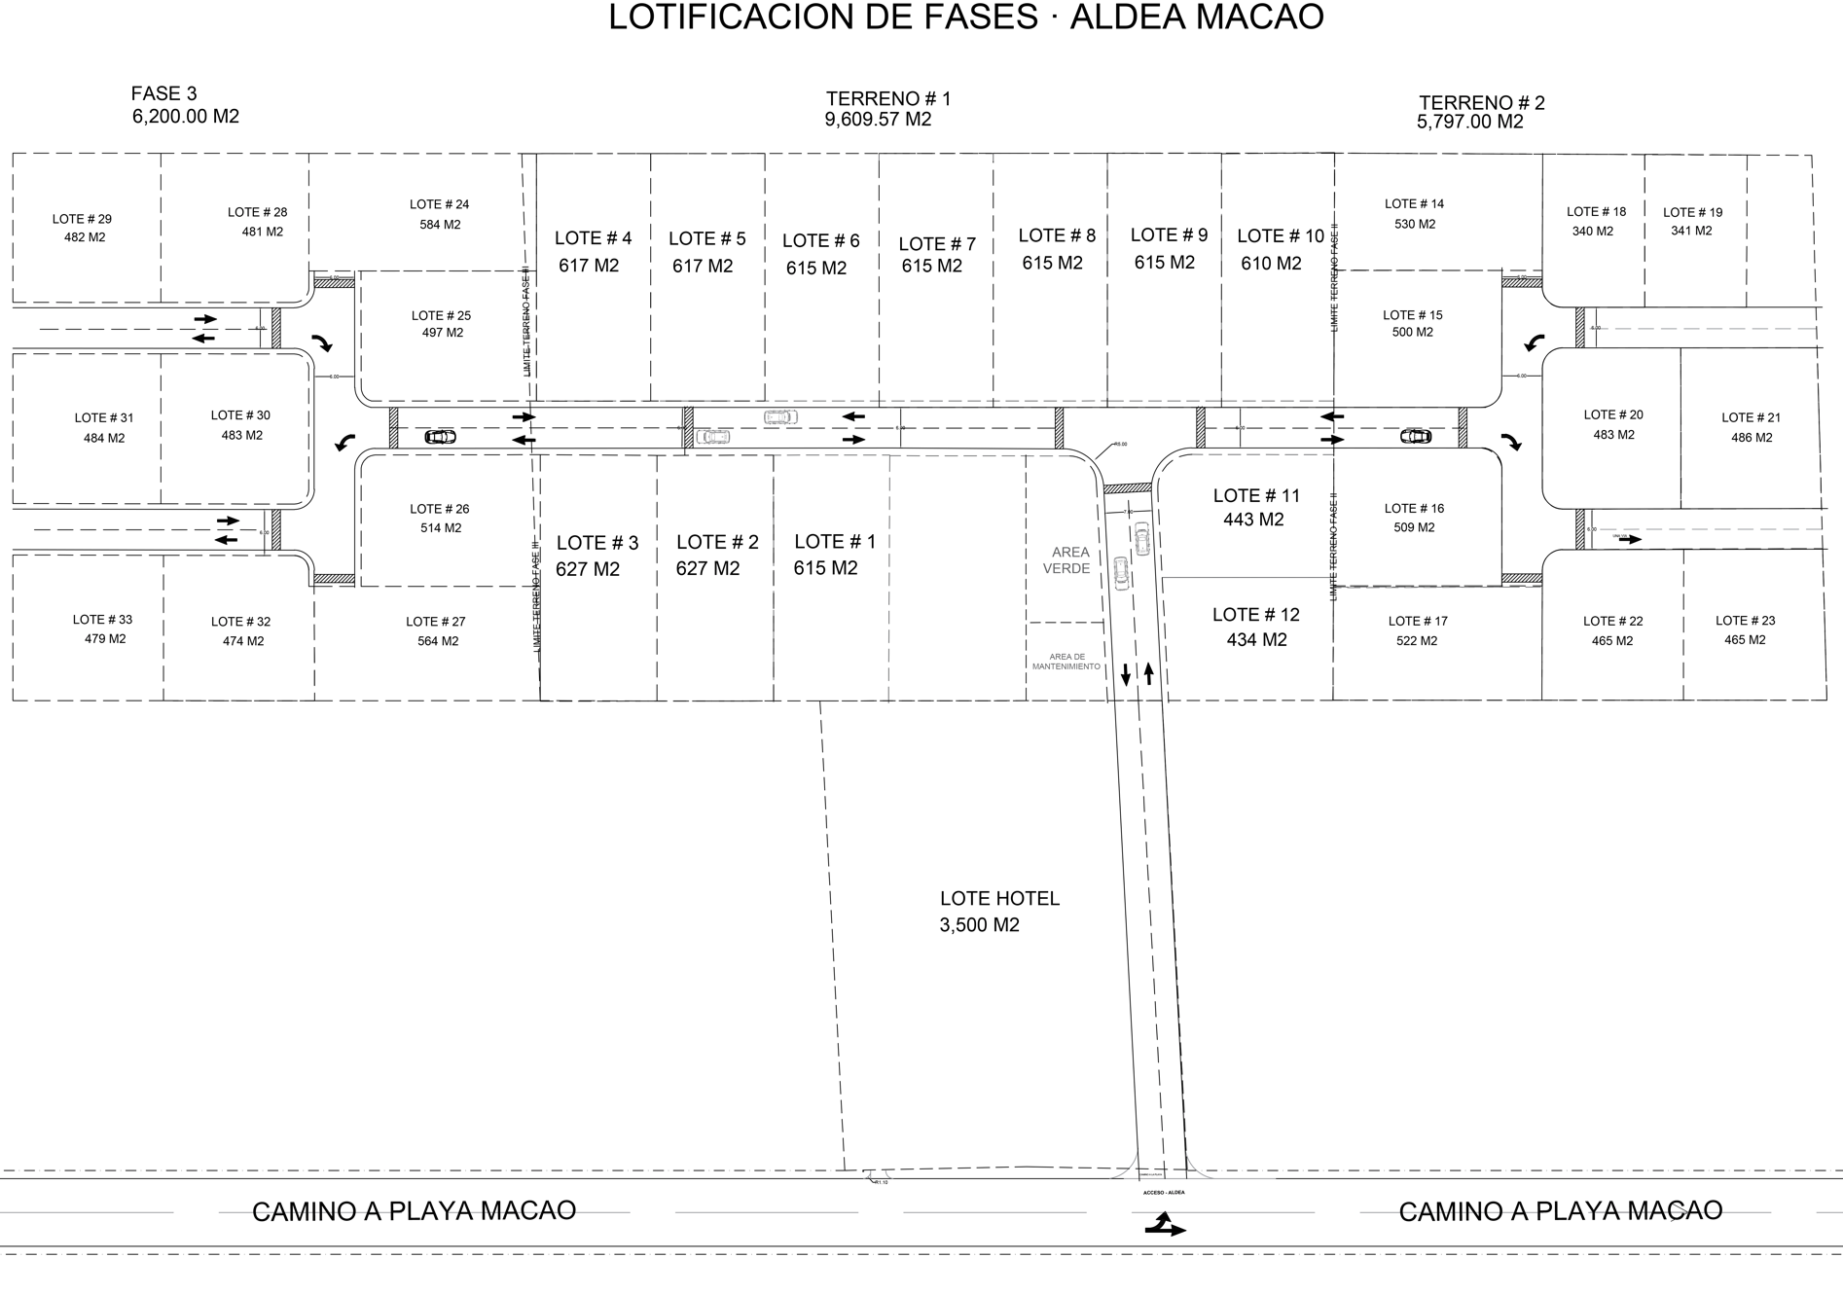
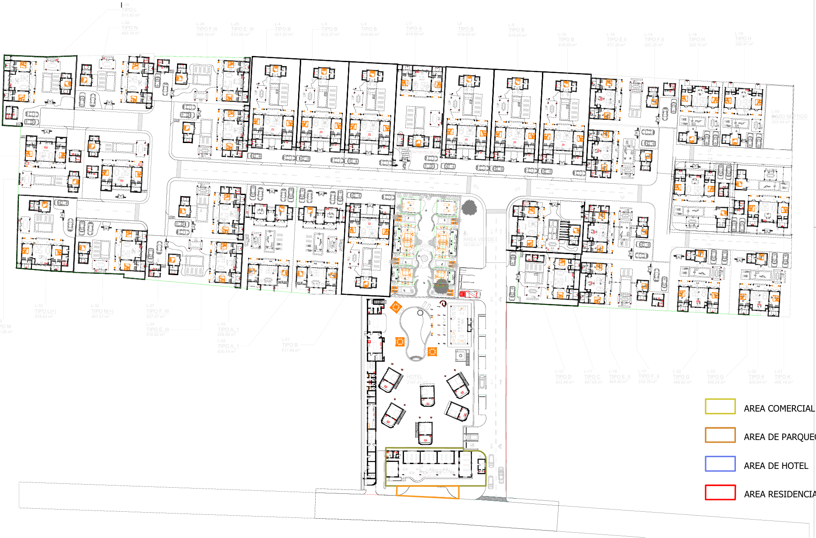

ENGLISH

PRE SALE - 1st Stage |  |  |  |  |  |  | DELIVERY DATE

 |  |  |  |  |  |  | Stage 1 y 2: | Stage 2: | Stage 3:
Unit | Estatus | Lot size | Rooms | Price | Villa Type | Villa size M2 |  | Payment plans from 12 | Payment plans from 18 months
0 | Reserved | 760 | 3 |  | B | 260 | Delivery date: November 2025 | Delivery date: July 2026 | Delivery date: Julio 2027
1 | Reserved | 615 | 3 |  | B | 260
2 | Reserved | 615 | 3 |  | B | 260 | STANDARD PAYMENT PLAN 25 % WITH SIGN
3 | Reserved | 605 | 3 |  | B | 260 | TOTAL | 100% | $430,000.00
4 | Reserved | 607 | 3 |  | B | 260 | SEPARATION |  | $5,000.00 | The reservation payment is non-refundable and valid for 30 days until signature and initial payment.
5 | Reserved | 615 | 3 |  | B | 260 | CONTRACT SIGN | 25% | $102,500.00 | After this period, the buyer will lose the full right to the reserved unit.
6 | Reserved | 615 | 3 |  | B | 260 | DURING CONSTRUCTION | 40% | $172,000.00
7 | Reserved | 615 | 3 |  | A | 258 | UPPON DELIVERY | 35% | $150,500.00 |  |  | R.O.I. ALDEA MACAO
8 | Reserved | 615 | 3 |  | B | 260
9 | Reserved | 615 | 3 |  | B | 260 | Extras: |  |  |  |  | Projected R.O.I. | Villa
10 | Reserved | 610 | 3 |  | B | 260 | Pool |  | to determinate |  |  | Sales Price | $430,000.00
11 | Reserved | 450 | 3 |  | C | 260 | Solar panels |  | to determinate
12 | Reserved | 443 | 2 |  | C | 222 | Warehouse/laundry |  | to determinate
 |  |  |  |  |  |  | Service room + bathroom |  | to determinate |  |  | Aaverage per night | $300.00
 |  |  |  |  |  |  | Furniture + equipment (ready to rent) |  | to determinate
 |  |  |  |  |  |  | Gardening decorative |  | to determinate
 |  |  |  |  |  |  | Automation (ambiental sound and security cameras) |  | to determinate |  |  | Occupation Rate | 65%
Pre sale Plan - 2nd Stage |  |  |  |  |  |  |  |  |  |  |  | Annual Gross Income | $71,175.00
 |  |  |  |  |  |  | Discounts for higher payment at the time of signing |  |  |  |  | Annual rental Fee Program 25% | -$17,793.75
Unit | Estatus | Lot size M2 | Rooms | Price | Villa Type | Villa size M2 |  |  |  |  |  | Aprox. HOA Costs | -$3,650.00
14 | Reserved | 530 | 3 |  | F | 254 | 1% Discount over total price, in case payment 50% at the time of signing |  |  |  |  | Annual Condo Maintenance | -$4,650.00 | -387.5
15 | Reserved | 500 | 3 |  | E | 265 |  |  |  |  |  | Water Suplly, Gas, Wifi-TV Cable | -$1,200.00 | -100
16 | Reserved | 500 | 3 |  | E | 265 | PAYMENT PLAN WITH 50% AT CONTRACT SIGN |  |  |  |  | Aprox. Annual Electricity Costs | -$1,800.00 | *60% minus with solar panels
17 | Reserved | 534 | 3 |  | F | 254 | 100% | $425,700.00 |  |  |  | Pool Maintenance | -$1,200.00 | -100
18 | Reserved | 346 | 2 |  | L | 227 |  | $5,000.00 |  |  |  | Aprox. Annual Rental Income | $40,881.25
19 | Available | 346 | 2 | $430,000.00 | L | 227 | 50% | $207,850.00 |  |  |  | Aprox. Monthly Rental Income | $3,406.77
20 | Reserved | 500 | 3 |  | K | 253 | 30% | $127,710.00 |  |  |  | Annual R.O.I. Net | 10%
21 | Reserved | 500 | 3 |  | K | 276 | 20% | $85,140.00
22 | Reserved | 460 | 3 |  | G | 252
23 | Reserved | 465 | 3 |  | H | 252

Pre sale Plan - 3er Stage

Unit | Estatus | Lot size M2 | car Parking | Price | Villa Type | Villa size M2
24 | Reserved | 584 | 3 |  | F | 301
25 | Available | 497 | 3 | $475,000.00 | E | 276
26 | Reserved | 514 | 3 |  | E | 276
27 | Reserved | 564 | 3 |  | F | 301
28 | Reserved | 481 | 3 |  | M | 276
29 | Reserved | 482 | 3 |  | M | 276
30 | Reserved | 483 | 3 |  | M | 276
31 | Reserved | 484 | 3 |  | M | 276
32 | Reserved | 474 | 3 |  | M | 276
33 | Reserved | 479 | 3 |  | M | 276

Políticas de cambio y devolucio
